Problem & Answer
Note 1.
After finish, copy and paste your MATLAB (or Python) code scripts into the corresponding sheets entitled by 1, 2(a), and 2(b). This file must be named as the format "ID+student name", for example, 20151234_홍길동.
Please send your result (this excel file) to both emails : janghj@unist.ac.kr (for instrurctor), smp3833@unist.ac.kr (for TA)

 | Programming Test

 | Using a Monte Carlo method, estimate 95% confidence intervals for the theoretical prices of the specified options below at the valuation date.

 | Option Information |  |  | Market Information
 | Underlying Asset | AAA |  | Share price (S0) | 10
 | Today | 2018-06-01 |  | 1Y Risk-free rate (r) | 3%
Note 2.
Put randn('state', 100) in the first line of your every code scipt.
 | Maturity | 2019-06-01 |  | Volatility (σ) | 35%
 | Valuation date | 2018-06-01 |  | Strike price (E) | 10
 | Option Type | Asian Put
 | Averaging Type | Arithmetic Average Price |  | Numerical Condition
DIRECTION:
1. Turn off your cell phone during test.
2. Must not access in internet and any course material during test .
3. Only working m-file(s) and the problem sheet be allowed to open in your PC or laptop.
 | Averaging Dates | Every End-of-Month |  | Size of samples (M) | 2^k
 |  | (Assume that the number of dates in every month is equal to 30 and the total numer of year is 360) |  |  | for k=11,11,…,17

1 | Find the lower and upper bounds of a 95% confidence interval using a standard Monte Carlo (MC) method with the following sample size.

 | Sample size (2^k) | Lower Bound | Upper Bound
 | k
 | 11
The analytic formula for geometric average Asian price call at time zero is
where $\hat{d_{1}}$ , $\hat{d_{2}}$ , $\hat{σ}$, and drift $\hat{μ}$ are
where n is the number of averaging dates
 | 12
 | 13
 | 14
 | 15
 | 16
 | 17

2 | Find the lower and upper bounds of a 95% confidence interval using MC with the following variance reduction methods,
 | and compare the results with the standard MC under the same set of random numbers.

 | (a) Use Antithetic variate method

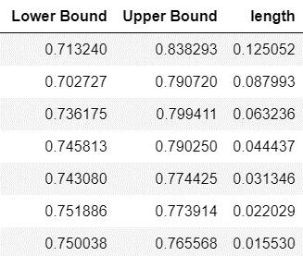
 | Sample size (2^k) | Standard MC |  | MC with Variance Reduction Method |  | Ratio of width
 | k | Lower Bound | Upper Bound | Lower Bound | Upper Bound
 | 11
 | 12
 | 13
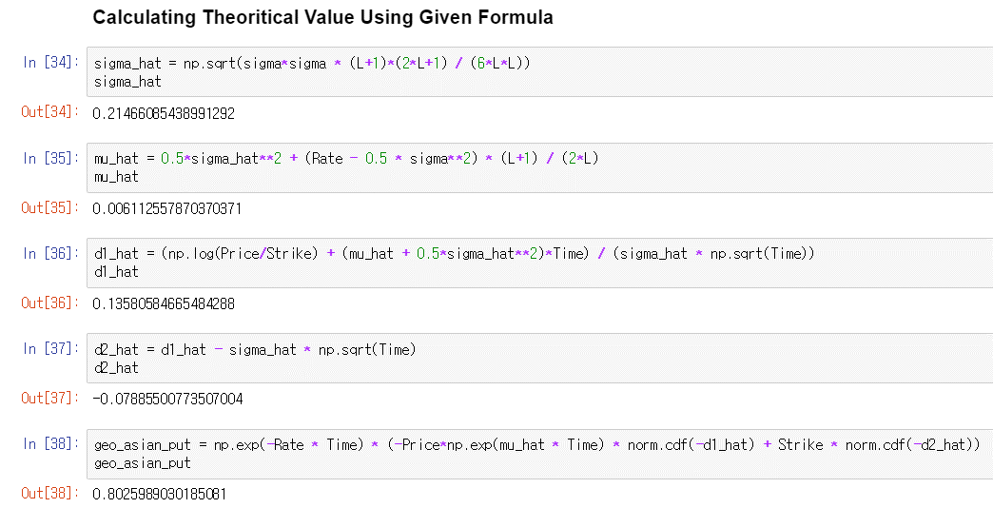
 | 14
 | 15
 | 16
 | 17

 | (b) Use Control variate method with the corresponding geometric average Asian price

 | Sample size (2^k) | Standard MC |  | MC with Variance Reduction Method |  | Ratio of width
 | k | Lower Bound | Upper Bound | Lower Bound | Upper Bound
 | 11
 | 12
 | 13
 | 14
 | 15
 | 16
 | 17
 |  What is the value of geometric average Asian call price you used? |  |  |  |  The answer is | 0.80259890302

1
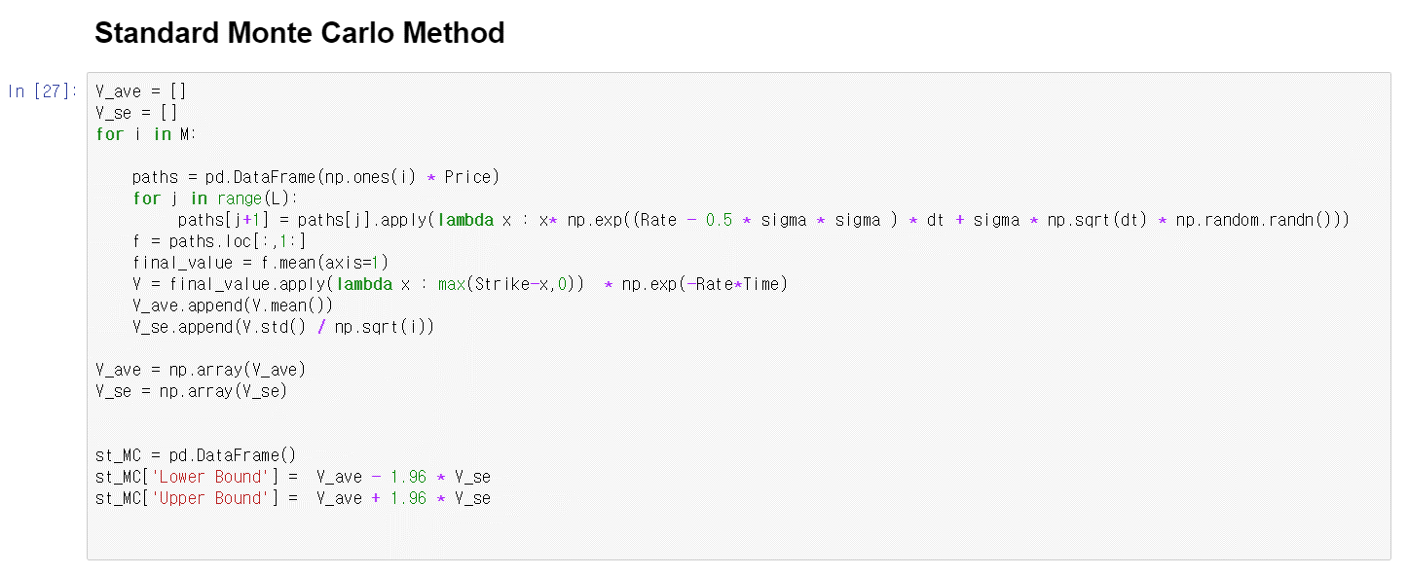

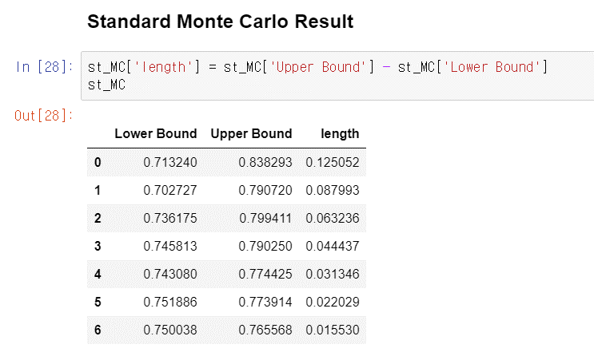

2(a)
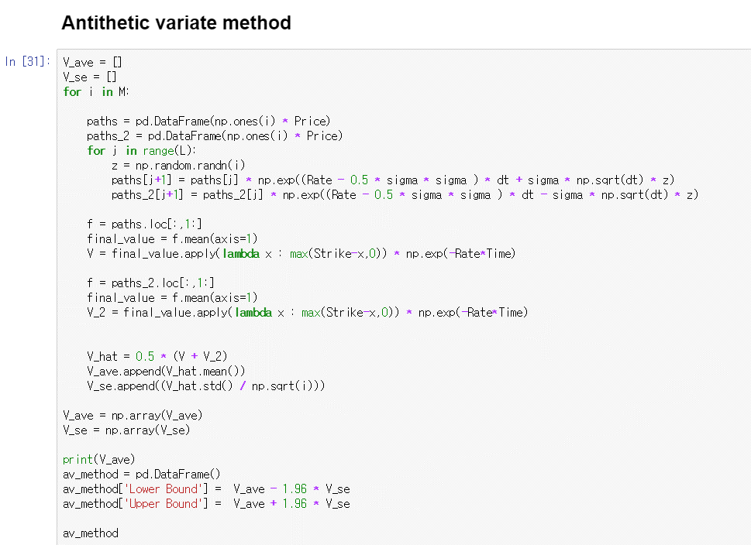

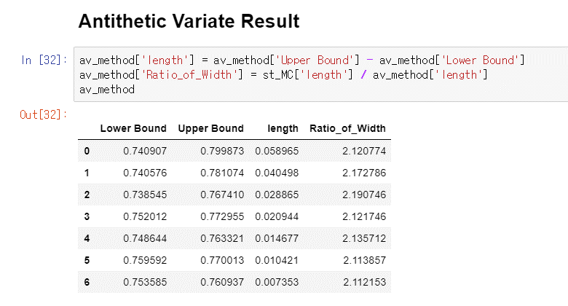

2(b)
